1. Title Page
Grocery Basket Analysis

Contents:
Population Flow
Consistency Check
Wrangling Step
Column derivations
Visualizations
Recomendations
Project Name: Instacart Grocery Basket Analysis
Date: Feburary 12,2024
Analyst Name: Rekha Chapagain

Data Citation:

The Instacart Online Grocery Shopping Dataset 2017”, Accessed from www.instacart.com/datasets/grocery-shopping-2017 via Kaggle on January 19, 2024.

2. Population Flow
Title page

Population flow

Exclusion flag
Condition: max_order < 5
Obervations to be removed: 1440295
Final total count of order_products_all: 30,964,564

Orders_products_combined
Orders_products_merged
Orders_products_all

Total: 32,434,489
Total: 32,404,859
Total: 32,404,859

1.) The grey boxes in the first row of the population flow represent the original data sets as they were when you downloaded them. In the Total fields you need to add the count of the rows when you imported the data set into Jupyter.
2.) The second row of boxes (coloured) represents the data sets after you manipulated them, e.g., removed missing values and duplicates. In the Total fields you need to add the count of the rows after conducting these operations. This offers a visual oveview of how the data flows throughout the data consistency checks.
3.) The third row, where also the arrows are coloured, represents the merges you performed between the datasets. In the Total fields you need to add the count of the rows in the merged datasets, so that you end up with the final dataset (in the red box). Keep in mind the final dataset should be without exclusions (based on the exclusion flag).

3. Consistency checks
 |  |  |  | Title page
Consistency checks

Dataset | Missing values | Missing values treatment | Duplicates
orders | There are 206,209 missing value in "Days_since_prior_order" column | Instead of deleting the missing values in the dataframe, I decided to extract all the missing values to a new dataframe. | There are no duplicate data found in the Orders dataframe
products | there are 16 missing value in" product_name" column | Store data separetly for analysis | Finding 5 duplicated data and drop them from df_prods_clean dataframe
orders_products_prior | There are no missing data | There are no missing data | There are no missing data
customers | There are 11,259 missing data in First name | Keep them because it can reduce the data size and therefore impact it's statistics and lead to a wrong data analysis. A best course of action in this case would be to talk to the stakeholder | There are no duplicate data found in the Customer dataframe dataframe

4. Wrangling steps (4)
 |  |  |  | Title page
Wrangling steps

Columns dropped | Columns renamed | Columns' type changed | Comment/Reason
Drop "Unnamed:0" column from df_prods |  |  | The column did not provide any relevant data that was needed for analysis.
Drop "Unnamed:0" ,"Unnamed:0.1","_merge" from df_ords_combined |  |  | The column did not provide any relevant data that was needed for analysis.
Drop 'eval_set' column from df_ords |  |  | The column did not provide any relevant data that was needed for analysis.
 | rename order_dow column |  | Name was confusing to undertsand
 | raname "order-number" column
 |  | data type of "user_id" | integer to string
 |  | data type of "order_id" | integer to string
 | rename "surname" column |  | Changed to "last name"
 | rename "STATE" column |  | Changed to "State"
 | rename "fam_status_ column |  | Changed to "marital_status"
 | rename "n_dependents" column |  | Changed to "number_of_dependants"
Drop "eval_set" from df_ords_prods_merge |  |  | The column did not provide any relevant data that was needed for analysis.
Drop "_merge" column from df_ords_prods_merge |  |  | The column did not provide any relevant data that was needed for analysis.
 |  | data type of "user_id" (in df_ords_prods_merge) | int64 to int32 (to save data storage)
 |  | data type of "order_id" (in df_ords_prods_merge) | int64 to int32 (to save data storage)
 |  | data type of "order_number" (in df_ords_prods_merge) | int64 to int32 (to save data storage)
 |  | data type of "order_day_of_week" (in df_ords_prods_merge) | int64 to int32 (to save data storage)
 |  | data type of "order_hour_of_day" (in df_ords_prods_merge) | int64 to int32 (to save data storage)
 |  | data type of "product_id" (in df_ords_prods_merge) | int64 to int32 (to save data storage)
 |  | data type of "reordered" (in df_ords_prods_merge) | int64 to int32 (to save data storage)
 |  | data type of "add_to-cart_order" (in df_ords_prods_merge) | int64 to int32 (to save data storage)
 |  | data type of "aisle_id" (in df_ords_prods_merge) | int64 to int32 (to save data storage)
 |  | data type of "department_id" (in df_ords_prods_merge) | int64 to int32 (to save data storage)
 |  | data type of "order_number" (in df_ords_prods_merge) | int64 to int32 (to save data storage)
 |  | data type of "prices" (in df_ords_prods_merge) | int64 to int32 (to save data storage)
 |  | data type of "user_id" (in df_customers" | int64 to int32 (to save data storage)
 |  | data type of "number_of_dependants" | int64 to int32 (to save data storage)
 |  | data type of"age" | int64 to int32 (to save data storage)
 |  | data type of "income" | int64 to int32 (to save data storage)

5. Column derivations
In this tab you should add tables below that the frequences of flags/label variables that you produced after deriving them. NB: don't do this for continuous variables, only for flags.
 |  |  |  | Title page

Column derivations and aggregations

prices_range
Mid range product 756450
Low range product 243550
Name: count, dtype: int64
busiest_day
Regularly busy 12916111
Busiest days 11864412
Slowest days 7624336
Name: count, dtype: int64
price_range_loc
Mid_range product 21860860
Low-range product 10126321
High-range product 417678
Name: count, dtype: int64
Dataset | New column | Column/s it was derived from | Conditions
order-prods_merge | price_range_loc | prices | pices<=5: Low-range product 5< prices <=15: Mid-range product 15< prices: High-range product
order-prods_merge | price_range_loc | prices | pices<=5: Low-range product price>5 prices <=15: Mid-range product prices>15: High-range product
busiest_period_of_day
Most orders 18663868
Average orders 12451854
Fewest orders 1289137
Name: count, dtype: int64
busiest_day
Regularly busy 22416875
Busiest day 6204182
Least busy 3783802
Name: count, dtype: int64
order-prods_merge | busiest_day | order-day_of_week | result_2 = [] for value in ords_prods_merge["orders_day_of_week"]: if value == 0 or value ==1: result_2.append("Busiest days") elif value == 3 or value == 4: result_2.append("Slowest days") else: result_2.append("Regularly busy")
spending_flag
Low spender 31770614
High spender 634245
Name: count, dtype: int64
loyalty_flag
Regular customer 15876776
Loyal customer 10284093
New customer 6243990
Name: count, dtype: int64
order-prods_merge | busiest_day | order-day_of_week | result = [] for value in ords_prods_merge["orders_day_of_week"]: if value == 0: result.append("Busiest day") elif value == 4: result.append("Least busy") else: result.append("Regularly busy")
Top region
count 32404859
unique 4
top South
freq 10791885
Name: region, dtype:objec
order-prods_merge | busiest_period_of_day | order_hour_of_day | result_3 = [] for value in ords_prods_merge["order_hour_of_day"]: if value in [10,11,14,15,13,12,16]: result_3.append("Most orders") elif value in [3,4,2,5,1,0,6,23]: result_3.append("Fewest orders") else: result_3.append("Average orders")
region
South 10791885
West 8292913
Midwest 7597325
Northeast 5722736
Name: count, dtype: int64
order-prods_merge | loyalty_flag | max-order | ['max_order'] >40, 'loyalty_flag'] = 'Loyal customer' ['max_order'] <=40) & (ords_prods_merge['max_order'] >10), 'loyalty_flag'] = 'Regular customer' ['max_order'] <=10, 'loyalty_flag'] = 'New customer'
order-prods_merge | spending_flag | mean_product_price | ['mean_product_price'] >= 10, 'spending_flag'] = 'High spender' ['mean_product_price'] < 10, 'spending_flag'] = 'Low spender'
Age_category
Middle_age 15483886
Senior_citizen 8195544
Young_adult 7285134
Name: count, dtype: int64
order-prods_merge | frequency_flag | regularity | ['regularity'] > 20, 'order_frequency'] = 'Non-frequent customer' ['regularity'] <= 20) & (ords_prods_merge['regularity'] > 10), 'order_frequency'] = 'Regular customer' 'regularity'] <= 10, 'order_frequency'] = 'Frequent customer'
spending_flag
Low spender 31770614
High spender 634245
Name: count, dtype: int64
exclusion_flag
nan 30964564
low-activity customer 1440295
Name: count, dtype: int64
income_category
Middle_income 15482298
High_income 7741261
Low_income 7741005
Name: count, dtype: int64
insta_grocery | region | State | "Northeast region": Maine, New Hampshire, Vermont, New York, Pennsylvania, New Jersey, Massachusetts, Rhode Island, Connecticut, "Midwest region": Wisconsin ,Michigan,Illinois, Indiana, Ohio, North Dakota, South Dakota, Nebraska, Kansas, Minnesota, Iowa,Missouri, "South region": Delaware,Maryland, District of Columbia, Virginia, West Virginia, North Carolina , South Carolina, Georgia, Florida Kentucky, Tennessee, Mississippi, Alabama, Oklahoma, Texas, Arkansas, Louisiana , "West region": Idaho, Montana, Wyoming, Nevada, Utah, Colorado, Arizona, New Mexico, Alaska, Washington, Oregon, California, Hawaii
insta_grocery | Age_categoty | Age | ['Age'] <33, 'Age_category'] = 'Young_adult' ['Age'] >=65, 'Age_category'] = 'Senior_citizen' ['Age']>=33) & (insta_grocery ['Age']<65), 'Age_category'] = 'Middle_age'
Family_category
Married 21743711
Single 9220853
Name: count, dtype: int64
insta_grocery | income_category | income | ['income'] <67292, 'income_category'] ='Low_income' ['income']>=67292) & (insta_grocery ['income']<1281020), 'income_category'] = 'Middle_income' ['income']>= 128102, 'income_category'] = 'High_income'
customer_profile
Middle_age-Middle_income-Married 5737865
Middle_age-High_income-Married 3366928
Senior_citizen-Middle_income-Married 3003430
Middle_age-Low_income-Married 2478126
Senior_citizen-High income-Married 2366940
Young_adult-Middle_income-Married 2076619
Middle_age-Middle_income-Single 1915831
Young_adult-Low_income-Married 1865367
Young_adult-Middle_income-Single 1748087
Young_adult-Low_income-Single 1512981
Middle_age-High_income-Single 1154716
Senior_citizen-Middle_income-Single 1000466
Middle_age-Low_income-Single 830420
Senior_citizen-Low_income-Married 803216
Senior_citizen-High_income-Single 770597
Senior_citizen-Low_income-Single 250895
Young_adult-High_income-married 45220
Young_adult-High_income-Single 36860
insta_grocery | Family_category | marital_status | ['marital_status'] == 'married', 'Family_category'] ='Married' ['Family_category'] == 'nan', 'Family_category'] ='Single'
dependants_flag
With dependants 23224883
No dependants 7739681
Name: count, dtype: int64
insta_grocery | customer_profile | create a culumn base on customer chatacteristics such as: Age, maritual_status, incme | 1)Young adult-Low income- single 2)Young adult-Medium income-single 3)Young adult-High income-Single 4)Middle aged-Low income-Single 5)Middle aged-Medium income-Single 6)Middle aged-High income-Single 7)Senior citizen-Low income-Single 8)Senior citizen-Medium income-Single 9)Senior citizen-High income-Single 10)Young adult-Low income-Married 11)Young adult-Medium income-Married 12)Young adult-High income-Married 13)Middle aged-Low income-Marries 14)Middle aged-Medium income-Married 15)Middle aged-High income-Married 16)Senior citizen-Low income-Married 17)Senior citizen-Medium income-Married 18)Senior citizen-High income-Married
insta_grocery | dependants_flag | number_of_dependants | insta_grocery.loc[insta_grocery['number_of_dependants']==0,'dependants_flag']="No dependants" insta_grocery.loc[insta_grocery['number_of_dependants']>0,'dependants_flag']="With dependants"

6. Visualizations
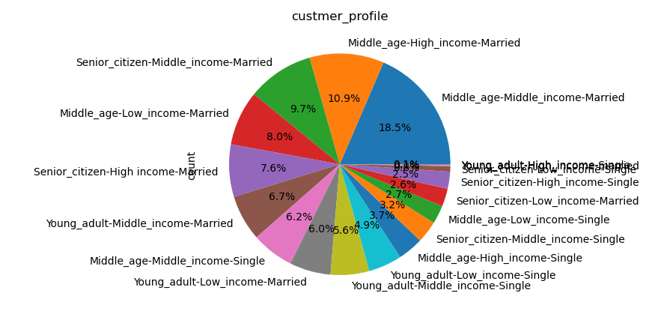
 | Title page

Visualisations

In this tab you should include all the visualtions from Exercises 4.9 and 4.10, alongside the questions from the project brief that they answer. Include any commentary on the relationship between different variables.

Key Question 1. The sales team needs to know what the busiest days of the week and hours of the day are (i.e., the days and times with the most orders) in order to schedule ads at times when there are fewer orders.
Answer: Recommendation: During the week, it would be best to schedule ads on Monday, Tuesday and Wednesday because they are the least busiest days of the week. The off-peak hours of the day are between 12am to 9am and after 6pm; it would be best to schedule ads during these time of the day.
The busiest days of the week are Saturday, Sunday, and Friday.
The most busiest hours of the day are from 10am to 6pm.
The least busiest days of the week day Monday, Tuesday, and Wednesday.
The least busiest hours of the day are from 12am to 9am, and after 6pm the hours start to decrease.

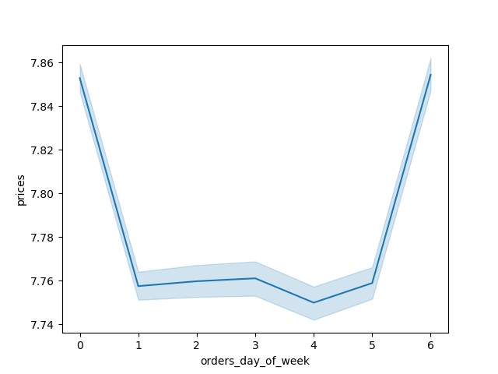

Bar Graph of Orders day of week
Histogram Graph of orders hour of day
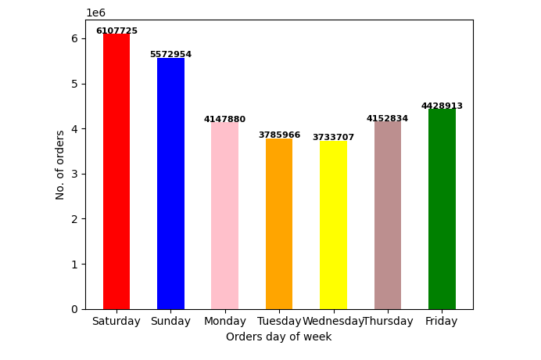

Key Question 2. They also want to know whether there are particular times of the day when people spend the most money, as this might inform the type of products they advertise at these times.
Answer: Recommendation: It would be best to advertise products in the early morning because customers order less items, but they send more money. .

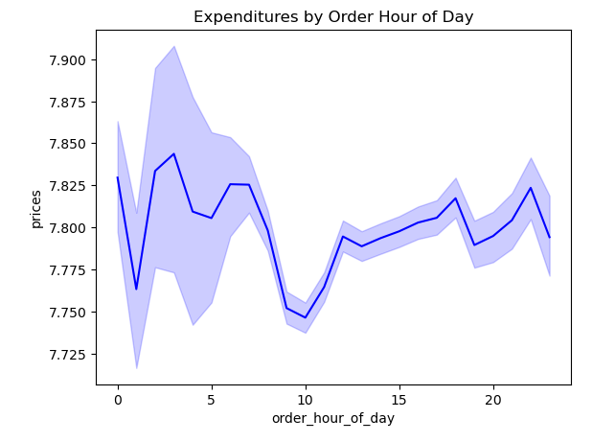

Key Question 3. Instacart has a lot of products with different price tags. Marketing and sales want to use simpler price range groupings to help direct their efforts.
Answer: Recommendation: We can break down the prices into three groups: High Price Items : Over $15, Middle Price Items: $7 to $15, and Low Price Items : Less than $7
There are more sales in the low price Item category than item that are in the high or middle class category.



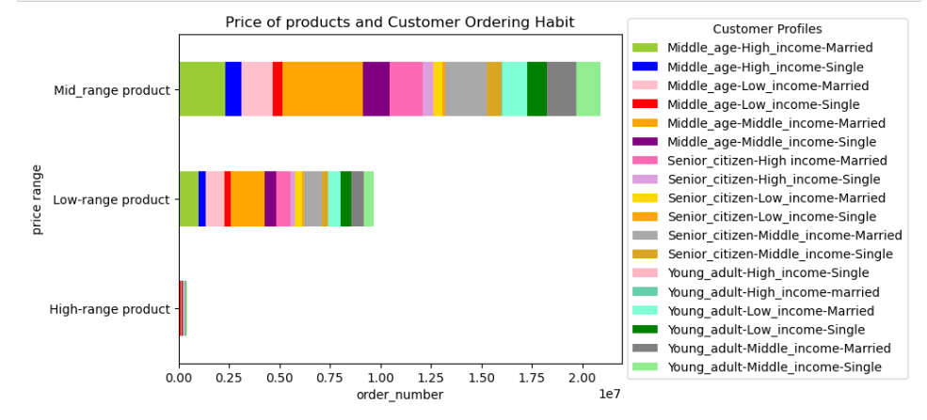

Key Question 4. Are there certain types of products that are more popular than others? The marketing and sales teams want to know which departments have the highest frequency of product orders.
Answer: Produce, Dairy, snacks, beverages, and frozen items are more popular than the other categories. The most popular items such as produce, dairy, snacks, beverages, and frozen items also have the highest sales compared to other departments.

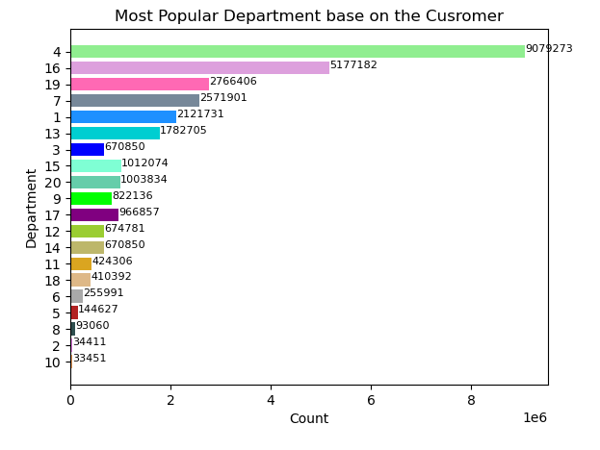
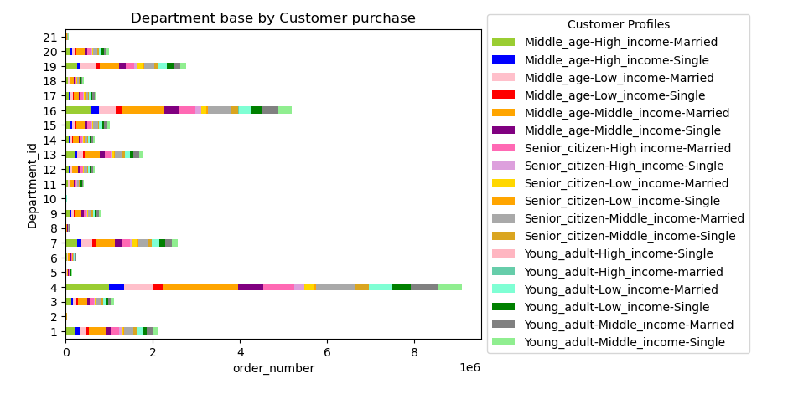

department_id | department
1 | frozen
2 | other
3 | bakery
4 | produce
5 | alcohol
6 | international
7 | beverages
8 | pets
9 | dry goods pasta
10 | bulk
11 | personal care
12 | meat seafood
13 | pantry
14 | breakfast
15 | canned goods
16 | dairy eggs
17 | household
18 | babies
19 | snacks
20 | deli

Key Question 5. The marketing and sales teams are particularly interested in the different types of customers in their system and how their ordering behaviors differ. For example:

Key Question 5.1. What’s the distribution among users in regards to their brand loyalty (i.e., how often do they return to Instacart)?
Answer: young-adults-high income-married, senior-citizen-high-income-single, and middle-age-high-income-married are the top three most returning customer categories.

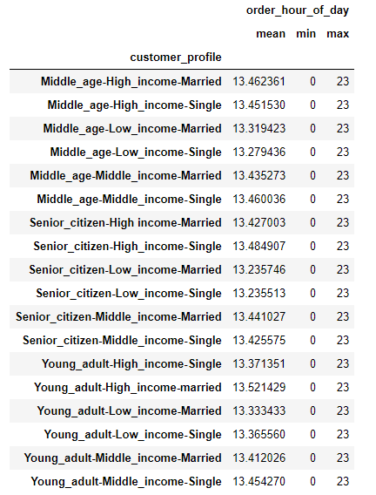

Key Question 5.2. Are there differences in ordering habits based on a customer’s loyalty status?
Answer: A majority of instacart customers are in the regular customer category. Many of these customers consist of middle aged customers who are either high-income or middle-income and are married.

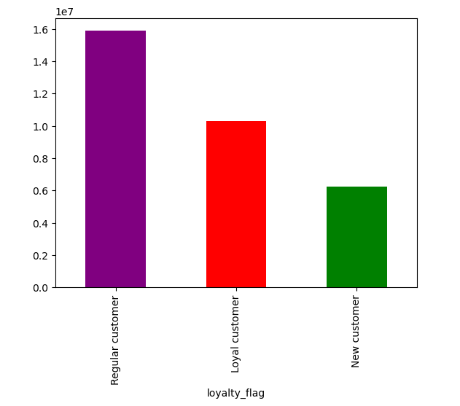
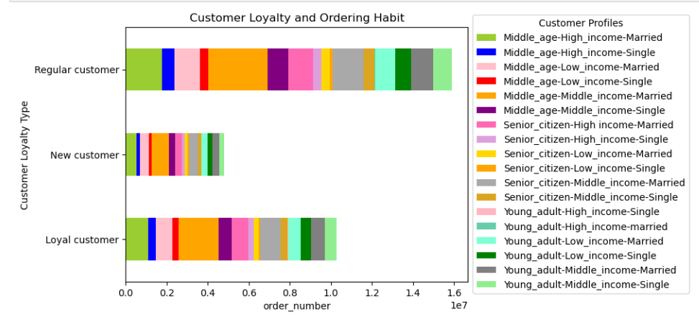

Key Question 5.3. Are there differences in ordering habits based on a customer’s region?
Answer: A high majority of the customers are from the south, where as there are fewer customers from the Northeast. Southern customers also spend more than other customers from different regions.

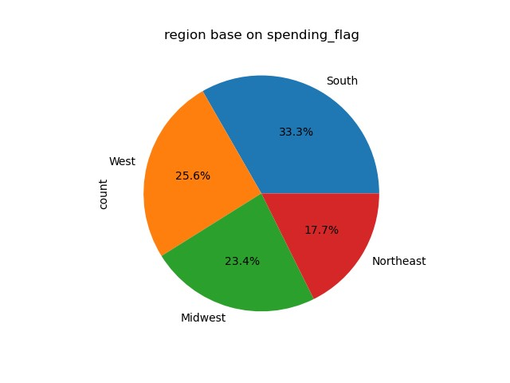

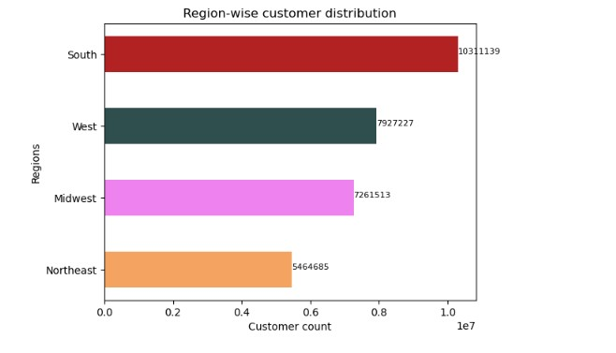

Key Question 5.4. Is there a connection between age and family status in terms of ordering habits?
Answer: Over 70% of the customers are married, a majority of the customers are middle-age (33-65), and middle-aged middle-income married customers spend the most compared to other customers.
The data shows that there is a connection between age and family status in terms of ordering habits, many middle-aged married customers tend to spend more than other customer. The data also shows that a majority of customers who are married tend to purchase more than customers who are mot married. There is no correlation between the number of dependants and the age of a customer, so the number of dependants doesn't impact the ordering habits of a customer.

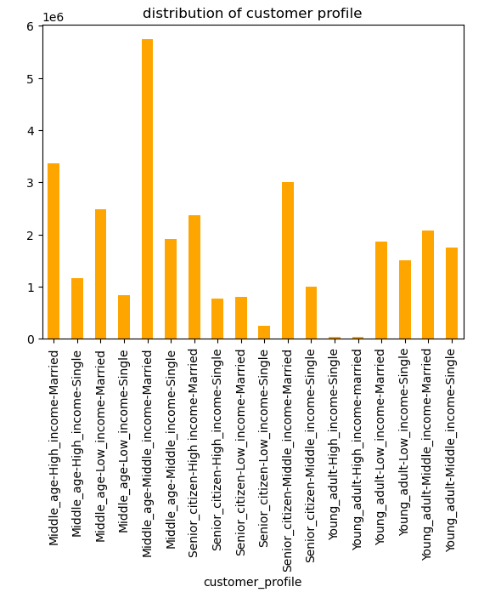

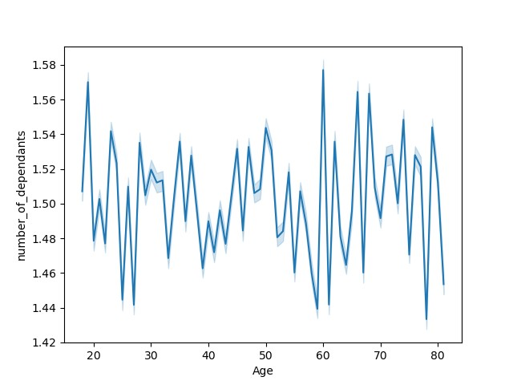
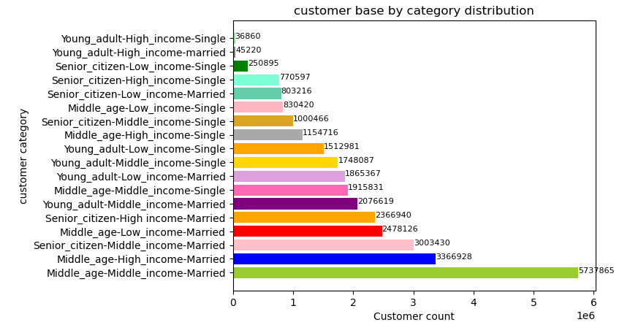
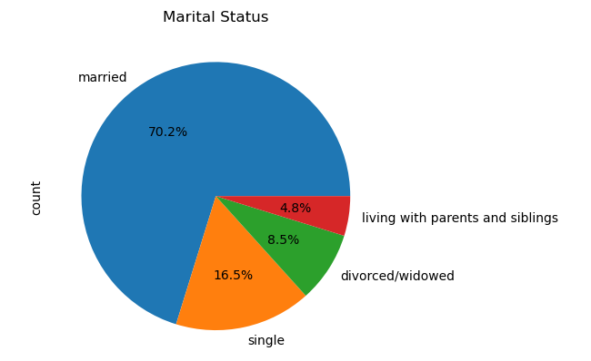

Key Question 5.5. What different classifications does the demographic information suggest? Age? Income? Certain types of goods? Family status?
Answer: Based on the age category, customers are distributed between middle-age, senior-citizen, and young-adult, the middle-age customer population is the highest.
Based on the income category, customers are distibuted by high-income, low-income, and middle-income, a majority of the customers are middle-income.
Based on the dependant category, customers are distributed by no dependants and with depandants, customers with dependants purchase the most.
Based on the family status category, married and single customers, a majority of the customers are married.

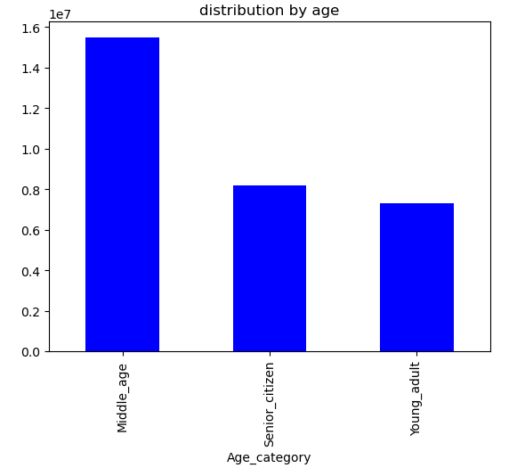
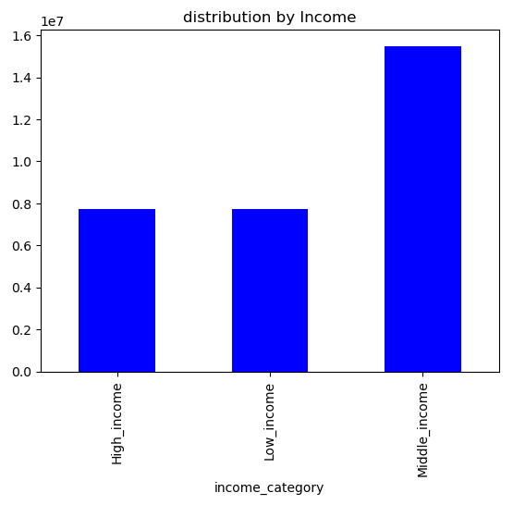
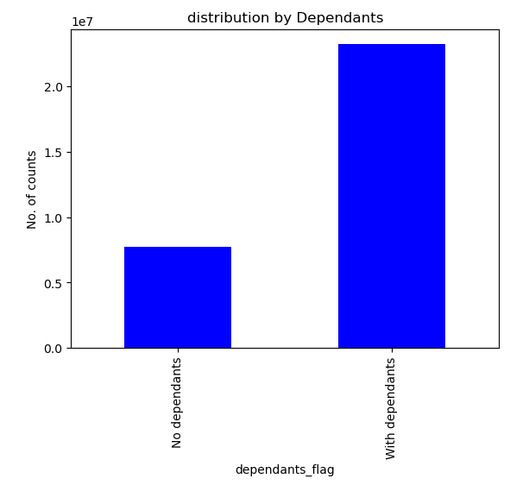
Family_category
Married 21743711
Single 9220853
Name: count, dtype: int64

Key Question 5.6. What differences can you find in ordering habits of different customer profiles? Consider the price of orders, the frequency of orders, the products customers are ordering, and anything else you can think of.
Answer: Based on bar graph that shows the price of a product and the customer ordering habits, we can see that mid-range products are very popular compare to low-range and high-range products. The graph also shows that a high majority of customers who are middle-age, middle-income, and single buy more products that are in the mid-range and low-range products.
Based on the pie chart that shows customer profile and spending habits, we can see that the top three customer groups that spend the most money are middle-age middle-income married, middle-age high-income married, and senior-citizen middle-income married.
based on the bar graph that shows customer profile and product departments, we can see that departments 4, 16, 17, 7 ,1 (produce, dairy, snacks, beverages, and frozen) are the most popular departments among the customers. we can also see that middle-age middle-income married and middle-age high-income married customers buy more products from those popular departments.
Based on the customer loyalty and ordering habits bar graph, we can see that regular customers buy the most products compared to New customers and Loyal Customers. we can also see that that middle-age middle-income married and middle-age high-income married customers tend to buy more products in each of the customer loyalty groups compared to other customers
Based on the bar graph that shows the distribution age and income, we can see that middle-age customer are the most highest spending age group out of the three, we can also see that customers with middle-income also purchase more items compared to the other two groups. Young adul customers and customers with high-incme purchase the least out of the other age and income categories.
Overall from all of the graphs, we can conclude that middle-age customers purchase the most items, customers who are middle-income also purchase the most, and customers that are married also purchase the most. Looking at a more specific group of customers, middle-age customers who have middle-income and are married seem to the most popular and highest spending groups accross all categories. a majority of these customers also purchase more products that are from the mid-range price area and purchase products from departments such as produce, dairy, and snakcs, they also are the most prominent customer groups in all three of the loyalty status groups. Young adult and high-income customers don't purchase a lot of items from instacart compared to other customer groups.

7. Recommendations
Title page

Recommendations
In this tab you should include any recommendations you would made to Instcart in terms of their marketing strategy based on the questions posed in the brief. Every key question has been covered in the Tasks of the Exercises - here you need to add an item - a visualisation or table/crosstable that is showing the answer in the data, acompanied by a comment from you. Please, list the questions below and add the answer underneath.

Key Question 1.
The sales team needs to know what the busiest days of the week and hours of the day are (i.e., the days and times with the most orders) in order to schedule ads at times when there are fewer orders.
Recommendation: During the week, it would be best to schedule ads on Monday, Tuesday and Wednesday because they are the least busiest days of the week. When scheduling ads during the off-peak hours of the day, it would be best to schedule them from 12am to 9am when the sales are low and after 6pm when the sales start to drop again.
 | Link to Visualizations

Key Question 2.
They also want to know whether there are particular times of the day when people spend the most money, as this might inform the type of products they advertise at these times.
Recommendation: Customers spend the most amount of money during the off-peak hours, from 12am to 9am. It would be best to advertise produccts from the bulk, pets, alcahol, international, and babies departments to middle age customers because middle-age customers tend to spend more money compared to other customers, and these departments have the lowest amount of popularity compared to other products. Advertising products from those departments to middle-age custmers could help gain more sales.
 | Link to Visualizations

Key Question 3.
Instacart has a lot of products with different price tags. Marketing and sales want to use simpler price range groupings to help direct their efforts.
Recommendation: The products can be broken down into three price categories: High Price Items : Over $15, Middle Price Items: $7 to $15, and Low Price Items : Less than $7. Since many of the sales are under $15, products that are over $15 could be classified as high price items. Since a majority of the sales are from $7 to $15, products that are under $7 could be classified as low priced items.
 | Link to Visualizations

Key Question 4.
Are there certain types of products that are more popular than others? The marketing and sales teams want to know which departments have the highest frequency of product orders.
Recommendation: Products that are in departments such as produce, dairy, snacks, beverages, and frozen items are more popular than the other categories. The most popular items such as produce, dairy, snacks, beverages, and frozen items also have the highest sales and highest frequency of product order compared to other departments.
 | Link to Visualizations

Key Question 5.
The marketing and sales teams are particularly interested in the different types of customers in their system and how their ordering behaviors differ. For example:

5.1 What’s the distribution among users in regards to their brand loyalty (i.e., how often do they return to Instacart)?
Answer: young-adults-high income-married, senior-citizen-high-income-single, and middle-age-high-income-married are the top three most returning customer categories. Senior citizens who are low-income and young-adults who are high-income that are both single are the least amount of returning customers.
 | Link to Visualizations

5.2. Are there differences in ordering habits based on a customer’s loyalty status?
Answer: A majority of instacart customers are in the regular customer category. many of these customers consist of middle aged customers who are either high-income or middle-income and are married. New customers purchase the least amount of items compared to the other loyalty status groups, however customers who are middle-aged and have either high-income or middle-income also have the most purchases inside of the new customer loyalty status group.
 | Link to Visualizations

5.3. Are there differences in ordering habits based on a customer’s region?
Answer: A majority of customers, around one-third of all customers are from the south, whereas only around 17% of the customers are from the Northeast. Southern customers also spend the most amount of money on products compared to other customers from different regions. Northeast customers spend the least amount of money on the products compared to all the other regions.
 | Link to Visualizations

5.4. Is there a connection between age and family status in terms of ordering habits?
Answer: There is a connection between age and family status in terns of ordering habits. Over 70% of the customers are married, a majority of the customers are middle-age (33-65), and middle-aged middle-income married customers spend the most compared to other customers. Many middle aged married customers tend to spend more than other customer. A majority of customers who are married tend to purchase more products than customers who are not married. There is no correlation between the number of dependants and the age of a customer, so the number of dependants doesn't impact the ordering habits of a customer.
 | Link to Visualizations

5.5. What different classifications does the demographic information suggest? Age? Income? Certain types of goods? Family status?
Answer: Based on the age category, customers are distributed between middle-age, senior-citizen, and young-adult, the middle-age customer population is the highest.
Based on the income category, customers are distibuted by high-income, low-icnome, and middle-income, a majority of the customers are middle-income.
Based on the dependant category, customers are distributed by no dependants and with depandants, customers with dependants purchase more.
Based on the family status category, married and single customers, a majority of the customers are married.
 | Link to Visualizations

5.6. What differences can you find in ordering habits of different customer profiles? Consider the price of orders, the frequency of orders, the products customers are ordering, and anything else you can think of.
Answer: Considering the price of products and customer ordering habits, we can see that mid-range products are very popular compare to low-range and high-range products. A high majority of customers who are middle-age, middle-income, and also single buy more products that are in the mid-range and low-range products compared to other customers.
Considering the speding habits of customers and their customer profile, the top three customer groups that spend the most money are middle-age middle-income married, middle-age high-income married, and senior-citizen middle-income married customers.
Considering the product departments and the customer profiles, departments 4, 16, 17, 7 ,1 (produce, dairy, snacks, beverages, and frozen) are the most popular departments among the customers. many middle-age middle-income married and middle-age high-income married customers buy more products from those popular departments compared to other customers.
Considering the customer loyalty status and their ordering habits, regular customers buy the most products compared to New customers and Loyal Customers. Furthermore, middle-age middle-income married and middle-age high-income married customers tend to buy more products in each of the customer loyalty groups compared to other customers.
Considering the age and income of the customers, middle-age customer are the most highest spending age group out of the three, Moreover, customers who are middle-income also purchase more items compared to the other two groups. Young-adult customers and customers with high-incme purchase the least out of the other age and income groups.
Overall , we can conclude that middle-age customers purchase the most items, customers who are middle-incoem also purchase the most, and customers that are married also purchase the most. Looking at a more specific group of customers, middle-age customers who have middle-income and are married seem to the most popular and highest spending groups accross all categories. A majority of these customers also purchase more products that are from the mid-range price area and purchase products from departments such as produce, dairy, and snakcs, they also are the most prominent customer groups in all three of the loyalty status groups. Young adult and high-income customers don't purchase a lot of items from instacart compared to other customer groups.
 | Link to Visualizations

Further Recommendations:
1. The marketing team should focus on scheduling ads during the least busy times of the day which is 12am to 9am and after 6pm.
2. Although many customers show similar likings to departments and a majority of the customers tend to purchase mid-range priced products and are regular customers, a high majority tof these customers are middle-aged customers who have mid-income. Instacart should focus more on marketing towards young-adult customers who have high-income and senior-citizens who have low-income. This strategy could help develop new customers and have more returning customers from all customer-profiles as well.
3. The most popular departments that all cusstomers purchase from are dairy eggs, produce, snacks, and beverages. The company should promote products in these departments, but also advertise some products from departments that are not very popular so that those departments could also grow. The company could promote products from the bulk, alcahol, babies, international, and personal care department.

